Dashboard-Infographics


Quantifying the Environmental Toll:
Assessing Trees and Water Resource Consumption in the Era of Pandemic-Induced Modular Distance Learning (Print) Material Demand during 2020-2022 School Years

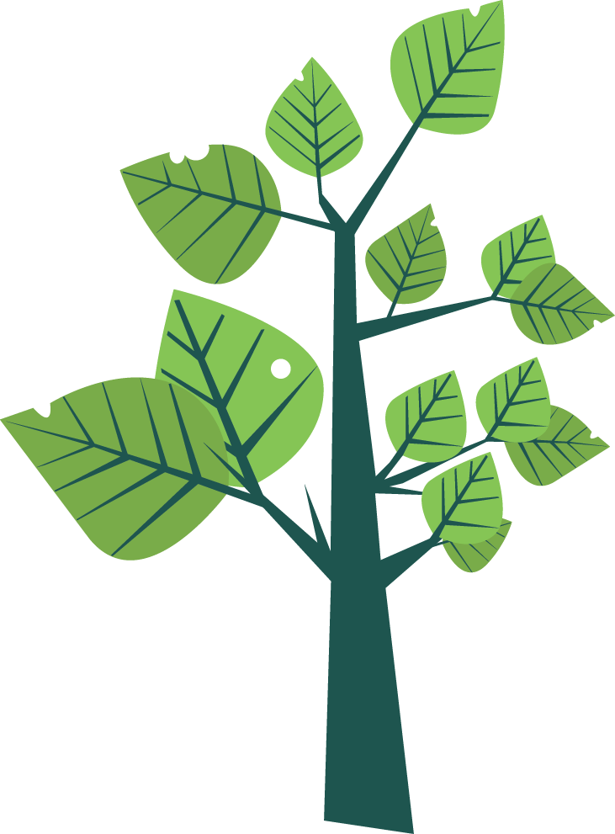




Paper creation relies heavily on two major components: TREES and WATER.
When excessive amounts of paper are consumed, it can indeed have significant environmental effects.

Consumed
Total
Water
by School Year
Total Trees

928,811.20
trees
SY 2021-2022
Cut Down

by School Year

2,286,454.23
SY 2020-2021
cubic meter
885,899.66
trees
SY 2020-2021

2,423,653.91
SY 2021-2022
cubic meter

 | 4,710.108.14 cubic meters (m3) were used in the paper production in both school years.

 |  |  | In both school years, 1,814,710.86 total trees were cut down to produce such massive demand for paper.

Amount of water and number of trees required in paper production for MDL (Print) by grade level grouped by school year

 | Total
ES | 610,645.94
JHS | 1,275,717.06
SHS | 400,091.24
ES | 620,388.96
JHS | 1,333,398.95
SHS | 469,865.99
 | Total
ES | 407,097.29
JHS | 364,490.59
SHS | 114,311.78
ES | 413,592.64
JHS | 380,971.13
SHS | 134,247.43





How did we end up such massive totals?
Let's look at the number of students who preferred MDL (Print) as their learning mode amid the pandemic.
 | MDL (Print) Learners | Non-MDL Learners
ES | 10,177,432 | 2,362,529
JHS | 6,074,843 | 2,262,850
SHS | 1,905,196 | 1,331,631
ES | 10,339,816 | 2,456,986
JHS | 6,349,519 | 2,408,438
SHS | 2,237,457 | 1,587,256
A decrease of 0.36% for those who preferred MDL (Print) was observed in SY 2021-2022.


Mode of learning preference by grade level grouped by school year

 | ES
Front Matter | 4
Body | 6
Back Matter | 3
ES

 |  |  |  |  | Elements of a Learning Module
 |  |  |  | The Department of Education sets an ideal number of pages in a learning module by grade level.

 | JHS & SHS
Front Matter | 4
Body | 16
Back Matter | 3
JHS, SHS
Front Matter
Cover Page, Copyright Page,
Preface, Acknowledgement,
Table of Contents
Body - Inside Page
Introduction, Pre-assessment,
Lesson Proper, Generalization/Summary
of Learning, Application, Post Assessment, Additional Activity
Back Matter
Answer Key, Reference,
Back Outside Cover

Composition of recommended number of pages in a module by grade level



A learning module of a student in a school year.
A school year consists of 40 weeks, with one module distributed each week to a student. This is a closer look at how many sheets of paper each student by grade level under MDL (Print) needs in a school year and the corresponding number of trees and amount of water required for paper production.

Number of sheets in a module per SY and the trees and water requirements by grade level

 | Total Sheets Used per School Year | Total Trees Used | Total Water Used (m3)
Grade 1 | 240 | 0.03 | 0.1
Grade 2 | 240 | 0.03 | 0.1
Grade 3 | 320 | 0.04 | 0.14
Grade 4 | 320 | 0.04 | 0.14
Grade 5 | 320 | 0.04 | 0.14
Grade 6 | 320 | 0.04 | 0.14
Grade 7 | 480 | 0.06 | 0.21
Grade 8 | 480 | 0.06 | 0.21
Grade 9 | 480 | 0.06 | 0.21
Grade 10 | 480 | 0.06 | 0.21
Grade 11 | 480 | 0.06 | 0.21
Grade 12 | 480 | 0.06 | 0.21
Total amount of water (m³) sourced
Total number of trees cut down

Number of sheets


 |  |  |  |  | A learning module in a typical classroom size in a school year.
 |  | Let's look at how many sheets are needed to accommodate MDL (Print) in a classroom for an entire school year and how does it translate to the number of trees and amount of water required to produce such total sheets requirement.

Number of sheets in a module per classroom in a SY and the trees and water requirements by grade level

 | Number of Sheets Used per Classroom/School Year | Number of Student per Classroom | Total Trees Used | Total Water Used (m3)
Grade 1 | 6480 | 27 | 0.78 | 2.77
Grade 2 | 6480 | 27 | 0.78 | 2.77
Grade 3 | 8640 | 27 | 1.04 | 3.69
Grade 4 | 8640 | 27 | 1.04 | 3.69
Grade 5 | 8640 | 27 | 1.04 | 3.69
Grade 6 | 8640 | 27 | 1.04 | 3.69
Grade 7 | 11520 | 24 | 1.38 | 4.92
Grade 8 | 11520 | 24 | 1.38 | 4.92
Grade 9 | 11520 | 24 | 1.38 | 4.92
Grade 10 | 11520 | 24 | 1.38 | 4.92
Grade 11 | 12960 | 27 | 1.55 | 5.54
Grade 12 | 12960 | 27 | 1.55 | 5.54
Total amount of water (m³) sourced
Total number of trees cut down
Total number of sheets used
Typical number of students in a classroom

MDL - Modular Distance Learning
ES - Elementary School, JHS - Junior High School, SHS - Senior High School

One
Cubic
Water
• drinking water for one person for about 500 days
• provides 5 cm of depth for growing rice – spreading nearly 20 square metres
• allow freshwater fish to spawn


One
• 20,000 acres of forest
• oxygen for 2 million people
• a cooler planet
• a more stable climate
Million
Trees

 |  |  |  |  | SOURCES:
 |  |  |  |  | https://blog.tentree.com/this-is-the-impact-of-1-million-trees/
https://sites.tufts.edu/reinventingpeace/2015/04/30/one-cubic-metre-a-reflection-on-water-for-mystery-learning-and-peace/#:~:text=Water%20is%20for%20drinking%3A%20A%20cubic%20metre%20of,shallow%20enough%20for%20frogs%20spawn%20to%20live%20in.

